Instructions

 | Welcome to the Expedia Group! Read me first before proceeding:
 | Please fill out this form for Expedia to onboard your properties
 | Once you have completed, please return the completed form to your Market Manager

 | Please complete all tabs in this onboarding intake form:
 | There are 4 work tabs in this Excel spreadsheet for you to fill out in order for your properties to be configured for Expedia Group's sites.

 | 1. Properties List: Information per property such as address, policies and amenities, Partner Central Users and Content information
 | 2. Unit mapping: Information specific to each Type of Unit and amenities. An Expedia property can have several UNIT TYPES
 | 3. Rate mapping: The rate plan information you provide here will be applied to all units across all properties in your portfolio unless noted otherwise. Unless you are using a connectivity vendor that supports Product API - you may skip this tab
 | 4. Booking Fees: If applicable - These are any Mandatory Charges that the guest will need to pay at the time of booking/reservation payment
 | 5. Expedia Partner Central User: If there are users that needs to gain access to your properties, please indicate their email address so that we may create an EPC account for them

 | Unsure how it should be done?
 | ■ Rows in orange of each tab are examples of how they should be filled out. Please make sure that the information is accurate as this will be displayed on the storefront for travellers.
 | ■ You can also refer to the file 'Completed - Single Unit' or 'Completed - Multi Unit' intake form that was done by some of our partners!

 |  | Expedia Partner Central access
 |  | Once we import all the information and setup your properties
 |  | you will be able to edit and manage them in Partner Central |  |  | Remember to Save your file

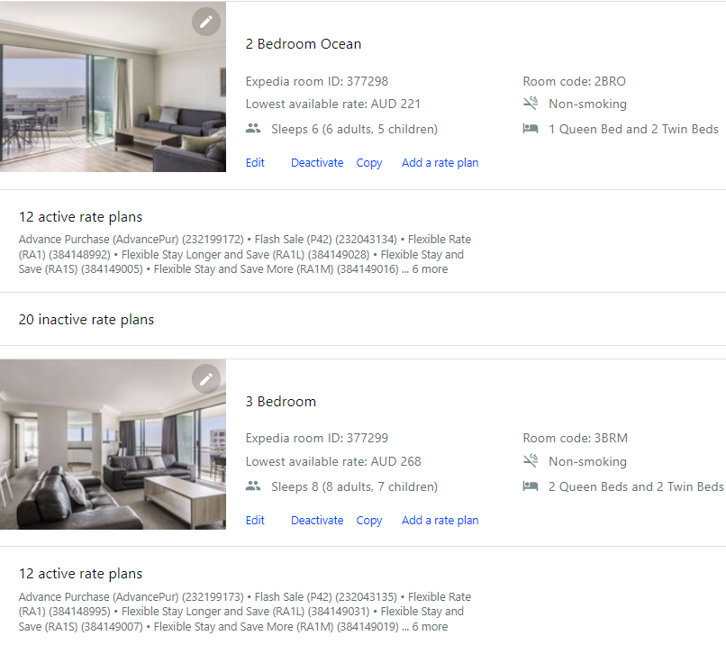
IMPORTANT
Single or Multi Unit | Expedia can build your properties as a Single or Multi-Unit.
 | Single Unit: Each Expedia ID will represent 1 unique address and 1 Unit
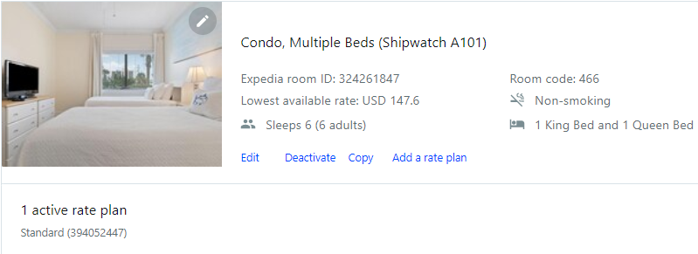

 | Multi Unit: 1 Expedia ID will represent multiple 'property type' IDs that share the same address.
 | Think of them like a hotel listing (same address) but the different room types sold in the listing are different apartments/studios/houses.

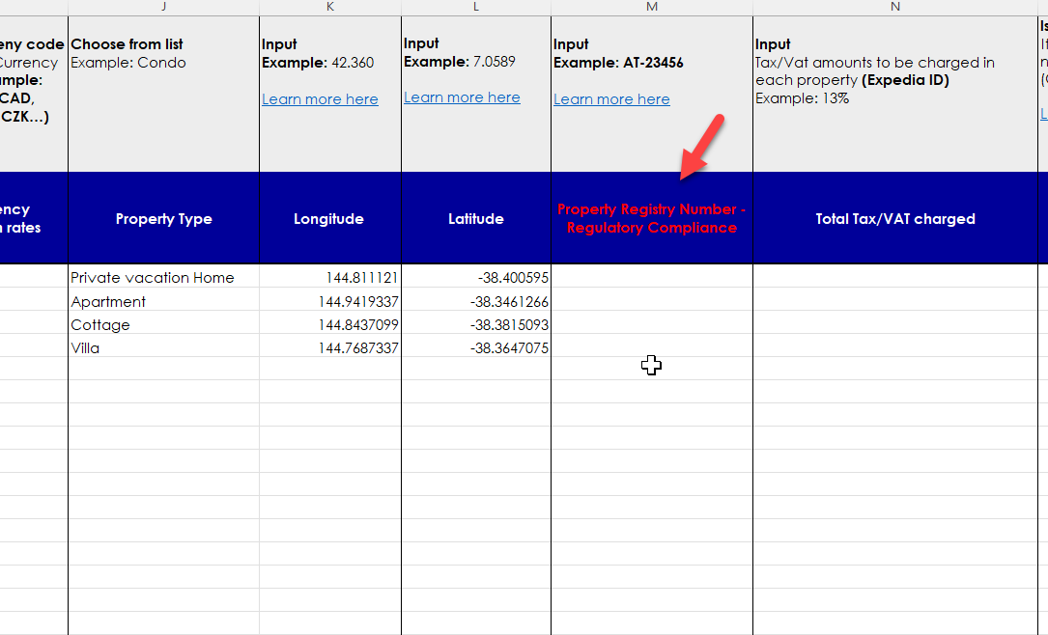
Regulatory Information | Many places have laws that apply to short term rentals. Many of these laws require that you register or obtain a permit or a license prior to listing your property.
 | A Property Registration Number, also known as a Housing Protection Number or Government Permit Number, is required for some Vacation Rental properties in various countries and regions.
 | Please note: You are responsible for your decision to list or book your property and you should check all applicable laws before listing with us or allowing any bookings at your property. By listing your property with us, you agree to comply with all applicable laws.

 | Directions: When applicable, input the Property Registry Number for the respective property in the Property List section of this form. If the property does not require a Property Registry Number, input "n/a".

Bedding Terminology | Size |  | Width |  | Bed Type | Bed Size
 | US English |  | cm | inch | Bunk Bed | Full, King, Queen, Twin, TwinXL
 | Twin |  | 74 - 100 | 29 - 40 | Crib | Crib
 | Large Twin (Twin XL) |  | 100 - 125 | 40 - 50 | Day Bed | Full, King, Queen, Twin, TwinXL
 | Full |  | 125 - 150 | 50 - 60 | Full Bed | Full
 | Queen |  | 150 - 180 | 60 - 70 | Futon | Full, King, Queen, Twin, TwinXL
 | King |  | 180 - 210 | 70 - 82 | King Bed | King
 |  |  |  |  | Murphy Bed | Full, King, Queen, Twin, TwinXL
 |  |  |  |  | Queen Bed | Queen
 |  |  |  |  | Rollaway Bed | Full, King, Queen, Twin, TwinXL
 |  |  |  |  | Sofa Bed | Full, King, Queen, Twin, TwinXL
 |  |  |  |  | Trundle Bed | Full, King, Queen, Twin, TwinXL
 |  |  |  |  | Twin Bed | Twin
 |  |  |  |  | Twin XL Bed | TwinXL
 |  |  |  |  | Water Bed | Full, King, Queen, Twin, TwinXL

